Sheet1
ID | SMILES | Molecular Weight | original name | Mol
F001 | O=C(NCC1=CC=CC=C1)CCC3=CNC2=CC=CC=C23 | 278.36 | 13o | 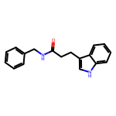
F002 | FC5=CC=C(C2CCN(C(C1=CC=CC=C1)=O)CC2COC4=CC3=C(OCO3)C=C4)C=C5 | 433.48 | 14a | 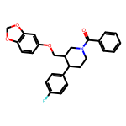
F003 | COC3=CC1=C(N=CC=C1)C(NC(C)CCCNC(C2=CC=CC=C2)=O)=C3 | 363.46 | 14b | 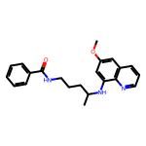
F004 | O=C(OCC)C2=CC(OC(CC)CC)C(NC(C)=O)C(NC(C1=CC=CC=C1)=O)C2 | 416.52 | 14c | 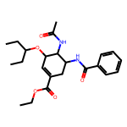
F005 | O=C(C1=CC=CC=C1)N(CCC(C2=CC=CC=C2)OC3=CC=C(C(F)(F)F)C=C3)C | 413.44 | 14d | 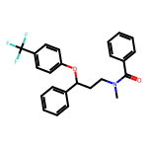
F006 | CN2C(C)=C(NC(C1=CC=CC=C1)=O)C(=O)N2C3=CC=CC=C3 | 307.35 | 14e | 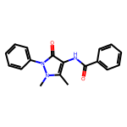
F007 | O=C(OC)C2=C(C)NC(COCCNC(C1=CC=CC=C1)=O)=C(C(OCC)=O)C2C3=CC=CC=C3Cl | 512.99 | 14f | 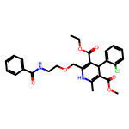
F008 | O=C(CC(NC(C1=CC=CC=C1)=O)CC2=C(F)C=C(F)C(F)=C2)N4CCN3C(C(F)(F)F)=NN=C3C4 | 511.43 | 14g | 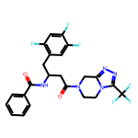
F009 | C5C1=CC(Cl)=CC=C1/C(=C\3CCN(C(C2=CC=CC=C2)=O)CC3)C4=NC=CC=C4C5 | 414.94 | 14h | 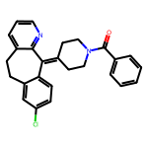
F010 | ClC4=C(Cl)C=C([C@H]2CC[C@H](N(C(C1=CC=CC=C1)=O)C)C3=C2C=CC=C3)C=C4 | 410.34 | 14i | 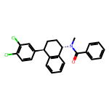
F011 | O=S(C2=C1C=CN=CC1=CC=C2)(N4CCN(C(C3=CC=CC=C3)=O)CCC4)=O | 395.48 | 14j | 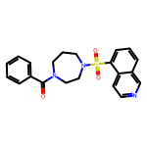
F012 | O=C(NCCCC(C)NC1=C(OC)C=CC2=C1N=CC=C2)CCC(O[C@H]6[C@H](C)[C@@H]3CC[C@@H](C)[C@@H]4CC[C@]5(C)OO[C@@]34C(O5)O6)=O | 625.76 | 14k | 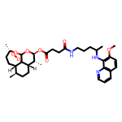
F013 | O=C(NCCCC(C)NC1=C(OC)C=CC2=C1N=CC=C2)C(C)C3=CC=C(CC(C)C)C=C3 | 447.62 | 14l | 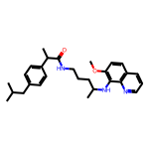
F014 | O=C(NCCOCC2=C(C(OCC)=O)C(C1=CC=CC=C1Cl)C(C(OC)=O)=C(C)N2)C3=CC8=C(C=C3)C=C(C7=CC=C(C46C[C@H]5C[C@@H](C4)CC(C5)C6)C(O)=C7)C=C8 | 789.37 | 14m | 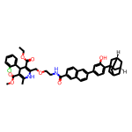
F015 | O=C(NCCOCC1=C(C(OCC)=O)C(C2=CC=CC=C2Cl)C(C(OC)=O)=C(C)N1)C3=CC=C(N4N/C(N/C4=C5C(C=CC=C\5)=O)=C6C=CC=CC\6=O)C=C3 | 764.24 | 14n | 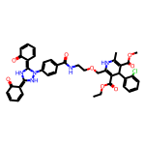
F016 | O=C(OC(C)(C)C)CNC(C1=CC=CC=C1)=O | 235.28 | 15a | 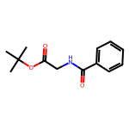
F017 | O=C(OC)[C@@H](CC1=CC=C(O)C=C1)NC(C2=CC=CC=C2)=O | 299.33 | 15b | 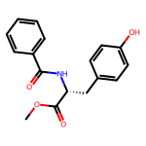
F018 | O=C(OC(C)(C)C)[C@@H](CC1=CC=CC=C1)NC(C2=CC=CC=C2)=O | 325.41 | 15c | 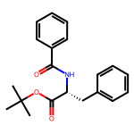
F019 | O=C(C1=CC=CC=C1)NC(C(OC)=O)CC2=CNC3=C2C=CC=C3 | 322.36 | 15d | 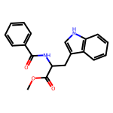
F020 | O=C(OC)[C@H](CCSC)NC(C1=CC=CC=C1)=O | 267.35 | 15e | 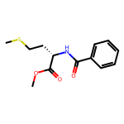
F021 | O=C(OC)[C@@H]([C@@H](C)CC)NC(C1=CC=CC=C1)=O | 249.31 | 15f | 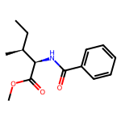
F022 | O=C(OC)[C@@H](CCC(OC)=O)NC(C1=CC=CC=C1)=O | 279.29 | 15g | 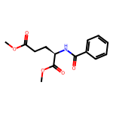
F023 | C[C@H](NC(C1=CC=CC=C1)=O)C(OC(C)C)=O | 235.28 | 15h | 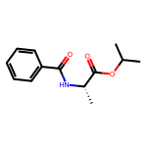
F024 | CC(C)C[C@H](NC(C1=CC=CC=C1)=O)C(OC)=O | 249.31 | 15i | 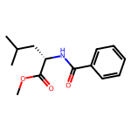
F025 | CC(C)[C@@H](NC(C1=CC=CC=C1)=O)C(OCC2=CC=CC=C2)=O | 311.38 | 15j | 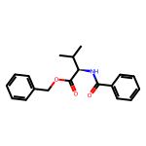
F026 | C[C@H](CC)[C@H](NC(C1=CC=CC=C1)=O)C(N[C@H](C)C(OC(C)(C)C)=O)=O | 362.47 | 15k | 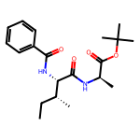
F027 | CC(C)(C)OC([C@@H](CC(C)C)NC([C@H](NC(C1=CC=CC=C1)=O)CC2=CC=CC=C2)=O)=O | 438.57 | 15l | 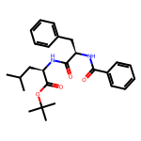
F028 | O=C(NCC(OC(C)(C)C)=O)[C@@H](CC1=CC=CC=C1)NC(C2=CC=CC=C2)=O | 382.46 | 15m | 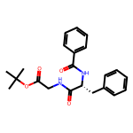
F029 | O=C(NCC(OC(C)(C)C)=O)[C@H](CC1=CC=CC=C1)NC(OCC2=CC=CC=C2)=O | 412.49 | 15n | 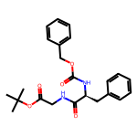
F030 | O=C(NCC(OC(C)(C)C)=O)[C@@H](NC(OC(C)(C)C)=O)CC1=CNC2=C1C=CC=C2 | 417.51 | 15o | 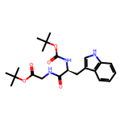
F031 | O=C(NCC(OC(C)(C)C)=O)CNC(OCC2C1=C(C=CC=C1)C3=C2C=CC=C3)=O | 410.47 | 15p | 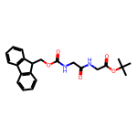
F032 | O=C(NCC(OC(C)(C)C)=O)[C@H](C(C)C)NC(OCC2C1=C(C=CC=C1)C3=C2C=CC=C3)=O | 452.55 | 15q | 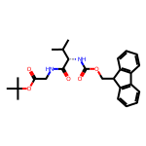
F033 | O=C(NCC(OC(C)(C)C)=O)[C@@H](CC1=CC=C(OC(C)(C)C)C=C1)NC(OCC3C2=C(C=CC=C2)C4=C3C=CC=C4)=O | 572.7 | 15r | 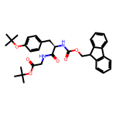
F034 | O=C(NCC(OC(C)(C)C)=O)[C@H](COC(C)(C)C)NC(OCC2C1=C(C=CC=C1)C3=C2C=CC=C3)=O | 496.6 | 15s | 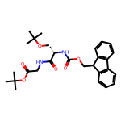
F035 | O=C(N[C@@H](C(OC)=O)CC(C)C)[C@H](NC(OCC2C1=C(C=CC=C1)C3=C2C=CC=C3)=O)CC4=CC=CC=C4 | 514.62 | 15t | 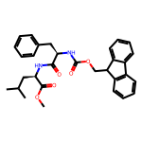
F036 | O=C(N[C@@H](C(OC(C)(C)C)=O)[C@@H](C)CC)[C@H](CC1=CC=CC=C1)NC(OCC3C2=C(C=CC=C2)C4=C3C=CC=C4)=O | 556.7 | 15u | 